Q1-PortfolioConstruction
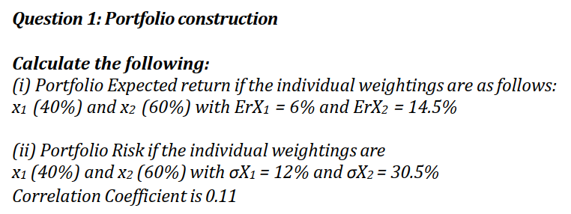


 |  |  |  |  | Rough Calculation Worksheet
Answers
 |  |  | X1 | X2 |  |  | X1 | X2
 | Expected Return | µ / r | 6.00% | 14.50% | Expected Return | µ | 6.00% | 14.50%
 | Weights | x | 40% | 60% | Risk | σ | 12.00% | 30.50%
(i) | Portfolio Return |  | 11.10% |  | Weights | x | 40% | 60%
 |  |  |  |  | (i) Portfolio Return |  | 11.10%
 | Correlation Cov | ƿ | 0.11 |  | Correlation Cov | ƿ | 0.05
 | Risk | σ | 12.00% | 30.50%
 | Portfolio Variance |  | 0.03772548 |  | Portfolio Variance |  | 0.0366714
(ii) | Portfolio Risk |  | 19.42% |  | (ii) Portfolio Risk |  | 19.15%

(iii) | In our calculation we can observe the Portfolio Expected Return is 11.10% and Portfolio Risk is 19.42%. It is to be noted asset-X2 has higher standard deviation as well gives higher mean return. If we reduce the weight of the asset X2, the overall Portoflio Risk will get reduced but the Portfolio Return also comes down. On other hand if we have lesser Correlation among the assets i.e the value of P comes down then it is observed the Portfolio Risk will get reduced without impacting Portfolio Return. So we should keep in focus to have lesser correlation among Asset within the portoflio. As we know one of the key component of Modern Portfolio Theory - Diversification of Portfolio Investing Basket can help to optimisie the Risk-Adjusted Profit. Such diversification should be done basis the Individual Risk Tolerance. Proper diversification can help to reduce the Riskiness of the Portfolio. Further it should be also noted that Portfolio Risk is dependent upon Correlation between Assets.Correlation gives a scale or measure of the Risk unlike Covariance which only indicates direction of the relationship between the Assets. Lower is the correlation between assets in any portfolio lesser will be the Risk. There should not be autocorrelation among the variables under consideration. Negative Correlation between portfolio Assets reduces major Portfolio Risk. We should consider the proper diversification into asset class as referred in a Dragon Portfolio in The Allegory of the Hawk & Serpent, comprising - Equity, Gold, Fixed Income, Commodity Trading and also consider the long volatility in the market during any stress regime. Sharpe Ratio is an important tool that can be considered for improving the Portfolio Risk Adjusted Return. Sharpe Ratio is often u

(iv) | Expected Value or Expected Return, is an Arithmetic Mean of possible values of a random variable weighted by the probability of its outcome. Investors use expected value to estimate the worth of investments, often relative to their risk. In Modern Portfolio Theory, attempts to calculate the optimal portfolio allocation of an investors basis their Expected Value and Risk Apetite. Expected Value can be broadly classified as Unconditional Expected Return and Conditional Expected Return. Unconditional Expected Return is not conditional on the information as available to us today.It simply denotes to the Historical Average Return of an asset over a period of time without considering any Economic, Financial condition prevailing today and always tends to be constant. It is the most trending method to calculate Average/ Mean Return in any asset portfolio. Conditional Expected Return on other hand is often used under Tacticle Asset Allocation method to calculate Mean Value. It is based on fundamental information as available as on date about Economic, Political and Financial market. Any relevant information that available today to determine or forcast the future value of an asset is considered under Conditional Expected Return. It is more meaningful way to determine any asset return although not the conventional method.

(v) | Mean Reversion states that any asset price will eventually return to their Long Term Mean Average. The concept is based on Unconditional Expectation wherein the asset price and its historical return will tend towards its long term average over a period of time.It is considered as a force that tends to take the Return of an Asset towards its Mean Value or Central Tendency. Greater the deviation of the asset price from Mean higher is the probability that asset price will move closer to its Mean in future. The concept is widely used in portolio construction to determine Financial Time Series data. It is a structured and versatile method used widely to calculated portofolio return from Intra-Day calculation to Long Term positions. However in case of any stressed regime or economic turmoil this strategy might fail to calculate the pattern resulting in sudden loss. This strategy aims to identify assets that are either overvalued or undervalued and tend to based on the expectation that they will revert to their mean value over a period of time.

Q2 - Valuation
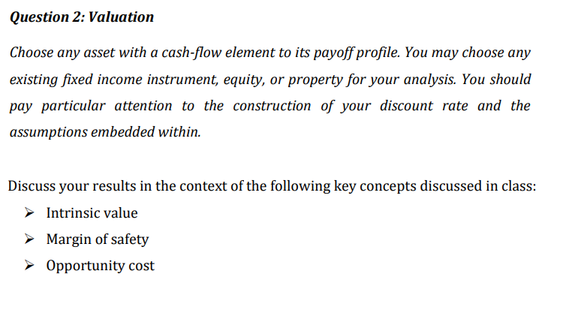

 |  |  |  | FORMULA of NPV Cash Flow | CASHFLOW
 |  |  |  |  | (1+ DR)^N

 | Commercial Property |  | €25,000,000 | Year | 2023 | 2024 | 2025 | 2026 | 2027 | 2028 | 2029 | 2030 | 2031 | 2032 | 2033 | 2034 | 2035 | 2036 | 2037
 | Rental Income |  | €2,000,000 | Cash Flow | €2,000,000 | €2,000,000 | €2,000,000 | €2,000,000 | €2,000,000 | €2,000,000 | €2,000,000 | €2,000,000 | €2,000,000 | €2,000,000 | €2,000,000 | €2,000,000 | €2,000,000 | €2,000,000 | €2,000,000
 | Yield |  | 8% | Period | 1 | 2 | 3 | 4 | 5 | 6 | 7 | 8 | 9 | 10 | 11 | 12 | 13 | 14 | 15
 | Lease |  | 15 years | NPV of Cashflow | € 1,869,159 | € 1,746,877 | € 1,632,596 | € 1,525,790 | € 1,425,972 | € 1,332,684 | € 1,245,499 | € 1,164,018 | € 1,087,867 | € 1,016,699 | € 950,186 | € 888,024 | € 829,929 | € 775,634 | € 724,892
 |  |  |  | Sum of NPV | € 18,215,828
 | Calculation of Discount Rate |  |  | Positive NPV | € (6,784,172)
 | 1% | Market Risk
 | 2% | Tenant Risk
 | 1% | Liquidity Risk
 | 1% | Political Risk
 | 1% | Inflation
 | 1% | Risk free rate
 | 7% | Discount Rate

Note 01 |  | Constructing the discount rate involved making the following assumptions:

 |  | Low interest rates
 |  | Low inflation
 |  | Positive economic growth
 |  | Low market risk
 |  | Low tenant risk

Note 02 | Intrinsic value | In this case, the €18,215,828 Net Present Value (NPV) of the commercial property clarifies its inherent value. The net present value (NPV) of the property is the present value of the expected future cash flows. This number is an essential indicator of the real worth of the property, taking into account variables like yield, length of lease, and rental revenue. The fact that the NPV is positive indicates that the property has significant intrinsic value from an economic viewpoint.

 | Margin of safety | When evaluating the reliability of an investment, the margin of safety concept is important. It measures the gap between the current market price of an investment and its true value. The commercial property's positive net present value, which stands at €18,215,828 in this instance, indicates an important level of safety. The property provides a financial buffer against unanticipated risks or uncertainties as its true value is substantially greater than its current market figure. The property is more appealing as a possibly safe investment due to this favorable difference.

 | Opportunity cost | A positive net present value (NPV) suggests a good margin of safety, but a comprehensive process of decision-making must take into account the opportunity cost as well. The profits sacrificed while choosing one investment over another are referred to as opportunity costs. The NPV of the commercial property should be compared with alternative investment options in order to calculate opportunity cost. The property might not be the best option if there are other investments with better net present values. Thus, when choosing amongst many investment options, it is essential to do an in-depth research that takes opportunity cost into account.

Q3-GeneralDescriptiveStatistics
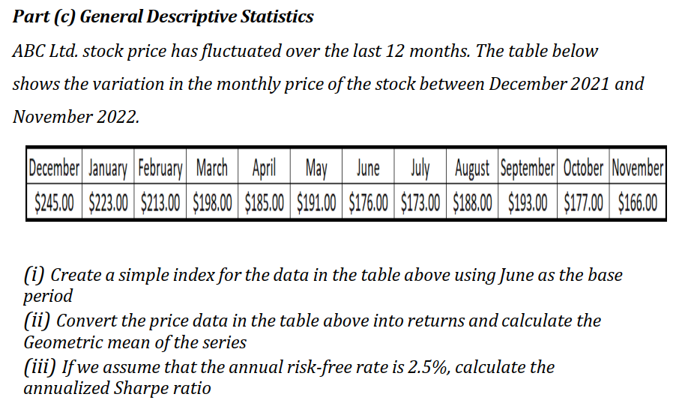

Answer - 01

 | The formula for a simple price index is: | Index = | Price in the Current Period | x100
 |  |  | Price in the Base Period

 | Using June as the base period - | June | $176.00

 |  | December | January | February | March | April | May | June | July | August | September | October | November
 |  | $245.00 | $223.00 | $213.00 | $198.00 | $185.00 | $191.00 | $176.00 | $173.00 | $188.00 | $193.00 | $177.00 | $166.00
 | Using June as the base period - | 139.20 | 126.70 | 121.02 | 112.50 | 105.11 | 108.52 | 100.00 | 98.30 | 106.82 | 109.66 | 100.57 | 94.32

Answer - 02
 |  |  | Return | Return + 1 |  | Formula of Geometric Mean
 | December | $245.00 |  |  |  | Product(Return + 1)^(1/n)-1
 | January | $223.00 | -0.090 | 0.910
 | February | $213.00 | -0.045 | 0.955
 | March | $198.00 | -0.070 | 0.930
 | April | $185.00 | -0.066 | 0.934
 | May | $191.00 | 0.032 | 1.032
 | June | $176.00 | -0.079 | 0.921
 | July | $173.00 | -0.017 | 0.983
 | August | $188.00 | 0.087 | 1.087
 | September | $193.00 | 0.027 | 1.027
 | October | $177.00 | -0.083 | 0.917
 | November | $166.00 | -0.062 | 0.938
 |  |  |  | -0.0348

 | Arith mean | -3.32% |  | Note 03 | Because the Geometric Mean takes compounding effects into account and offers a genuine reflection of the effects of negative compounding, hence it reflects more accurate outcome.
 | Geometric Mean | -3.48%

Answer - 03

 | Annual Risk Free rate | 2.5%

 |  |  | Return | Monthly RFR | Exess Return
 | December | $245.00
 | January | $223.00 | -8.98% | 0.21% | -9.19%
 | February | $213.00 | -4.48% | 0.21% | -4.69%
 | March | $198.00 | -7.04% | 0.21% | -7.25%
 | April | $185.00 | -6.57% | 0.21% | -6.77%
 | May | $191.00 | 3.24% | 0.21% | 3.04%
 | June | $176.00 | -7.85% | 0.21% | -8.06%
 | July | $173.00 | -1.70% | 0.21% | -1.91%
 | August | $188.00 | 8.67% | 0.21% | 8.46%
 | September | $193.00 | 2.66% | 0.21% | 2.45%
 | October | $177.00 | -8.29% | 0.21% | -8.50%
 | November | $166.00 | -6.21% | 0.21% | -6.42%

 | Mean | -3.53% |  | Note 04 | A negative Sharpe ratio means that, historically, the investment has produced a return that is less than what would have been possible with a benchmark that reflects minimal risk or a risk-free investment. Given the negative outcome, investors would have been better off making a risk-free investment and assuming the insufficiency of the risk-adjusted return. Considering the amount of risk involved, this negative score indicates that the portfolio hasn't been effective in generating returns.
 | SD | 0.058
 | Sharp Ratio | -0.61

